Dashboard
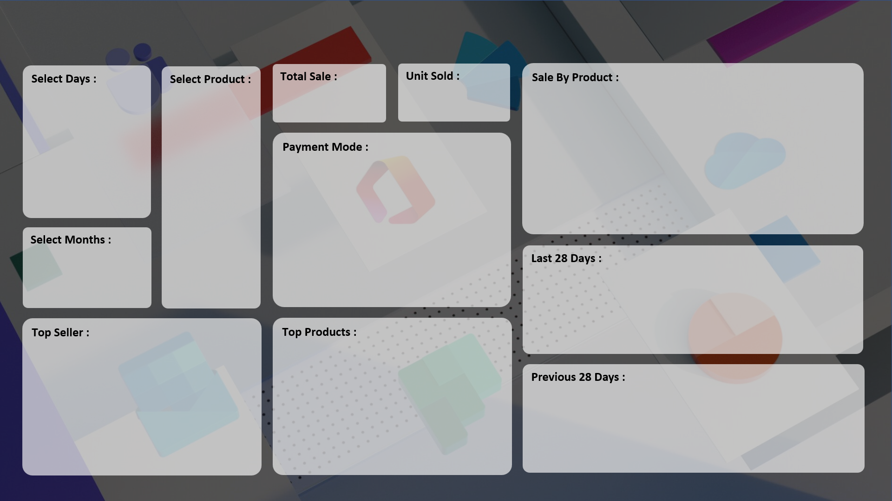

₹17,858,190.00
7,679
 | Total
HDD 256 GB | 1295
Keyboard | 1320
Monitor | 904
Mouse | 787
Printer | 928
Scanner | 856
SSD 256 GB | 1589

 | Total
Cash | 3974
Online | 3705

 | Total
17-Aug | 14
18-Aug | 41
19-Aug | 66
20-Aug | 74
21-Aug | 39
22-Aug | 45
23-Aug | 80
24-Aug | 87
25-Aug | 104
26-Aug | 129
27-Aug | 127
28-Aug | 135
29-Aug | 141
30-Aug | 141
31-Aug | 150
1-Sep | 166
2-Sep | 181
3-Sep | 209
4-Sep | 181
5-Sep | 197
6-Sep | 199
7-Sep | 186
8-Sep | 209
9-Sep | 144
10-Sep | 275
11-Sep | 240
12-Sep | 296

 | Total
ABC Traders | 1669
CCC Mart | 2426
RG Store | 2151
 | Total
HDD 256 GB | 1295
Keyboard | 1320
Monitor | 904
Mouse | 787
Printer | 928
Scanner | 856
SSD 256 GB | 1589

 | Total
20-Jul | 23
21-Jul | 23
22-Jul | 22
23-Jul | 14
24-Jul | 21
25-Jul | 21
26-Jul | 27
27-Jul | 19
28-Jul | 17
29-Jul | 14
30-Jul | 28
31-Jul | 24
1-Aug | 14
2-Aug | 19
3-Aug | 22
4-Aug | 26
5-Aug | 21
6-Aug | 14
7-Aug | 19
8-Aug | 23
9-Aug | 28
10-Aug | 14
11-Aug | 18
12-Aug | 22
13-Aug | 23
14-Aug | 22
15-Aug | 30
16-Aug | 32

